Ajuste modelo final (v2)
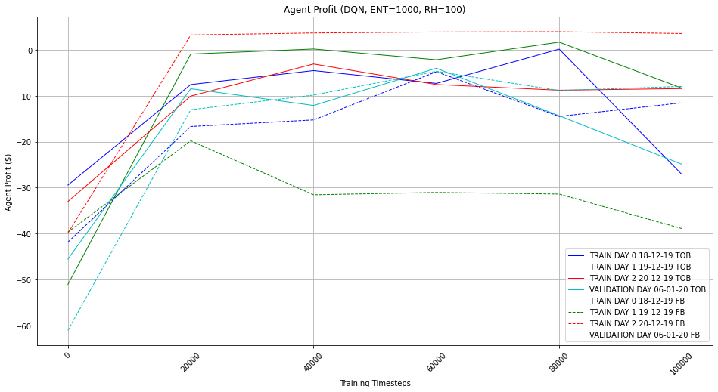
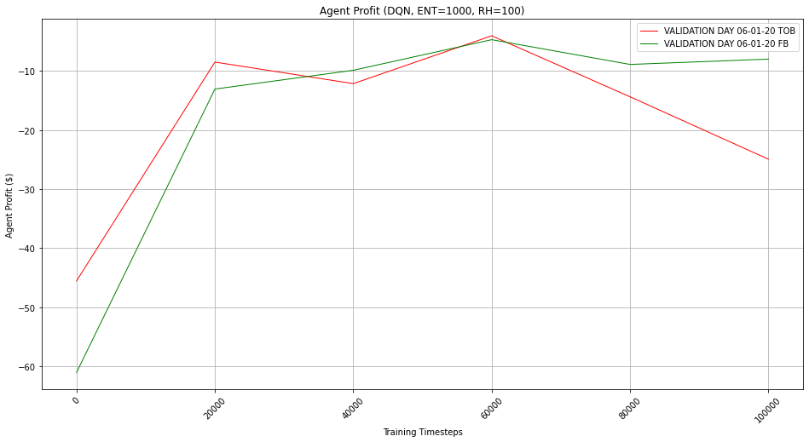
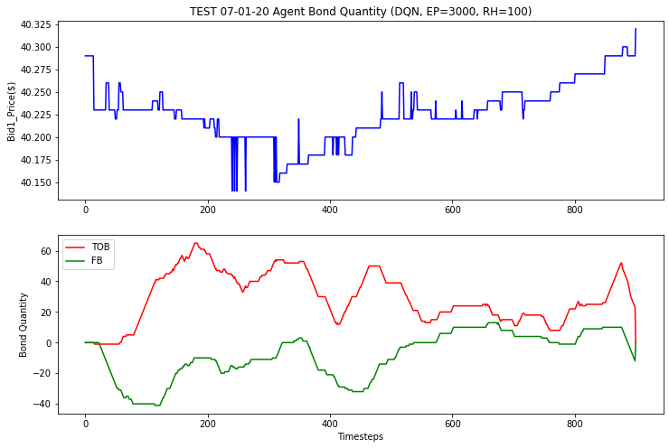
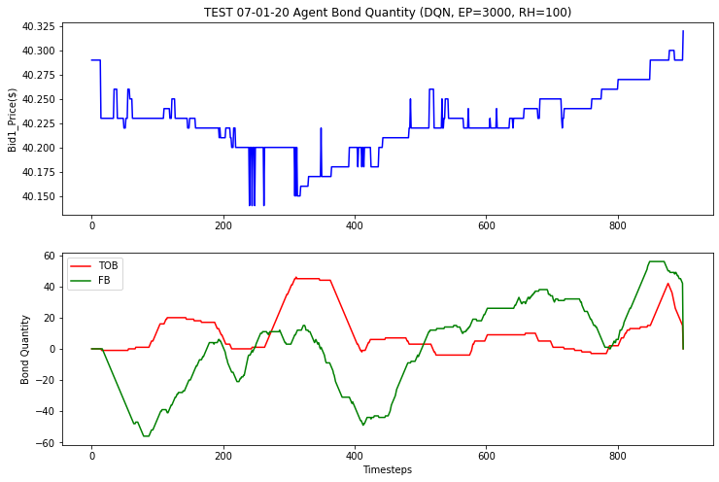
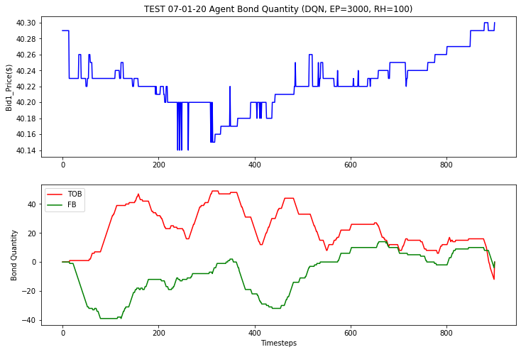
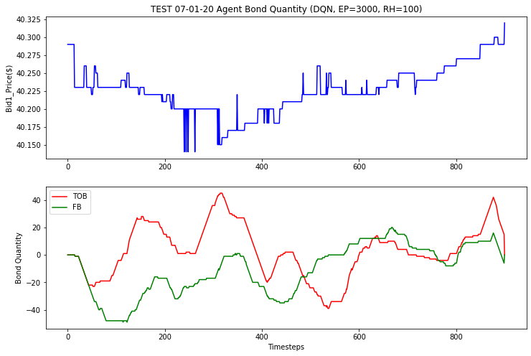
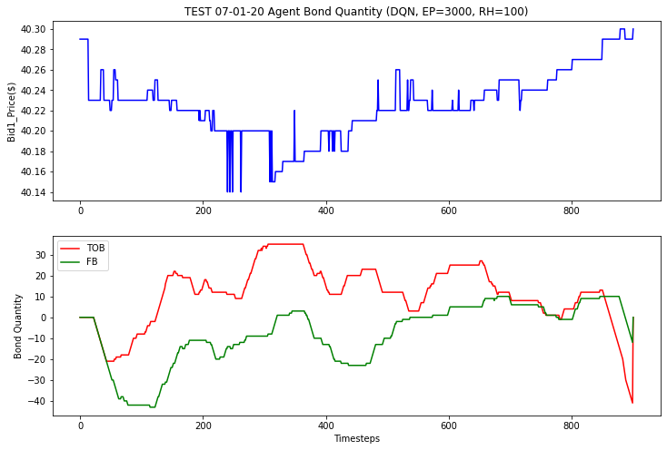
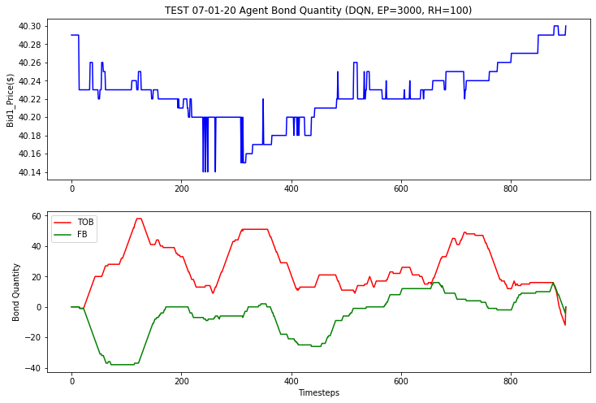
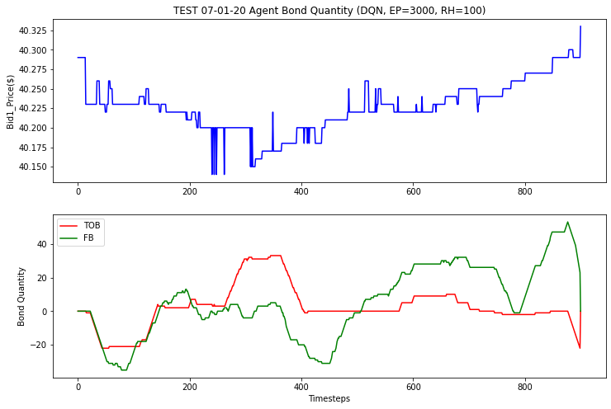
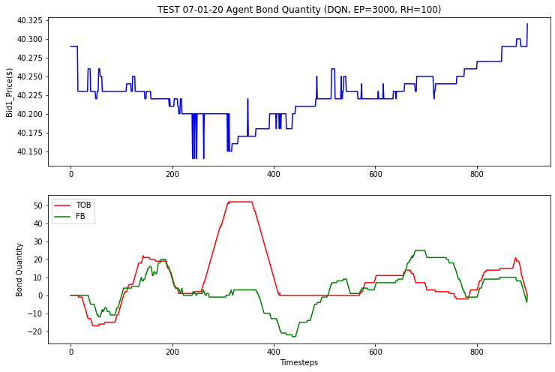
Timesteps | 60000 | 60000 | 60000 | 60000 | 60000 | 60000 | 60000 | 60000 |  |  |  |  |  |  | SEED
ENTRIES REMOVED | 1000 | 1000 | 1000 | 1000 | 1000 | 1000 | 1000 | 1000 |  |  |  |  |  |  | 1 | 2 | 3 | 4 | 5 | 6 | 7 | 8
ENTRIES RETAINED | 1000 | 1000 | 1000 | 1000 | 1000 | 1000 | 1000 | 1000
START | 3000 | 3000 | 3000 | 3000 | 3000 | 3000 | 3000 | 3000
MARKET_IMBALANCE | TRUE | TRUE | TRUE | TRUE | TRUE | TRUE | TRUE | TRUE
SIMPLIFY_INDICATORS | TRUE | TRUE | TRUE | TRUE | TRUE | TRUE | TRUE | TRUE
BID_ASK_SPREAD | TRUE | TRUE | TRUE | TRUE | TRUE | TRUE | TRUE | TRUE
QUANTIZE | FALSE | FALSE | FALSE | FALSE | FALSE | FALSE | FALSE | FALSE
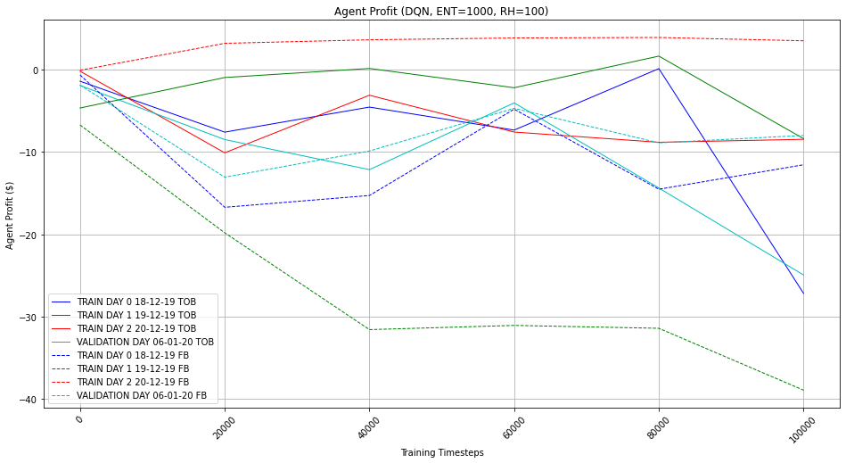
EMA MULTIPLIER | 10 | 10 | 10 | 10 | 10 | 10 | 10 | 10 |  |  |  |  | Con las series recortadas
RSI THRESHOLD | 40 | 40 | 40 | 40 | 40 | 40 | 40 | 40
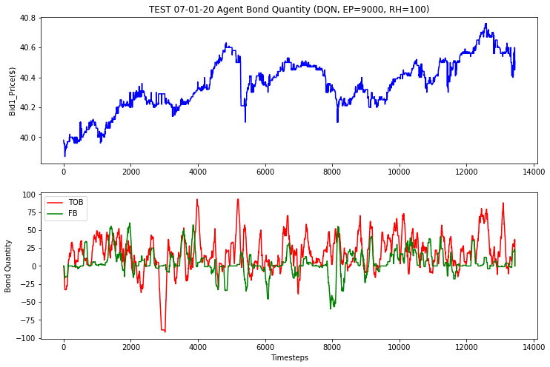
TAU IMBALANCE | 1/20 | 1/20 | 1/20 | 1/20 | 1/20 | 1/20 | 1/20 | 1/20
QUANTILES QTY | 4 | 4 | 4 | 4 | 4 | 4 | 4 | 4
RH | 100 | 100 | 100 | 100 | 100 | 100 | 100 | 100
EPISODE LENGTH | 3000 | 3000 | 3000 | 3000 | 3000 | 3000 | 3000 | 3000
POSITION LIMITS | FALSE | FALSE | FALSE | FALSE | FALSE | FALSE | FALSE | FALSE
MAX_BOND_QTY | 5 | 5 | 5 | 5 | 5 | 5 | 5 | 5
POSITION_PENALTY | FALSE | FALSE | FALSE | FALSE | FALSE | FALSE | FALSE | FALSE
POSITION_PENALTY_AMOUNT | 10 | 10 | 10 | 10 | 10 | 10 | 10 | 10
TRADING_PENALTY | FALSE | FALSE | FALSE | FALSE | FALSE | FALSE | FALSE | FALSE
NON_TRADING_PENALTY_AMOUNT | 1 | 1 | 1 | 1 | 1 | 1 | 1 | 1
POSITIVE_REWARD_BOOSTER | FALSE | FALSE | FALSE | FALSE | FALSE | FALSE | FALSE | FALSE
REWARD_BOOST_FACTOR | 10 | 10 | 10 | 10 | 10 | 10 | 10 | 10
REWARD_IMMEDIATE | TRUE | TRUE | TRUE | TRUE | TRUE | TRUE | TRUE | TRUE
REWARD_END_OF_EPISODE | FALSE | FALSE | FALSE | FALSE | FALSE | FALSE | FALSE | FALSE
HIGH_FREQ_PENALTY | FALSE | FALSE | FALSE | FALSE | FALSE | FALSE | FALSE | FALSE
HIGH_FREQ_TICKS | 101 | 101 | 101 | 101 | 101 | 101 | 101 | 101
HIGH_FREQ_PENALTY_AMOUNT | 10 | 10 | 10 | 10 | 10 | 10 | 10 | 10
MODEL | DQN | DQN | DQN | DQN | DQN | DQN | DQN | DQN
CUM_REWARD en state | FALSE | FALSE | FALSE | FALSE | FALSE | FALSE | FALSE | FALSE |  |  |  |  |  |  | Cash final TOB: $ -4.129999999998404 | Cash final TOB: $ -1.669999999999959 | Cash final TOB: $ -3.2099999999971374 | Cash final TOB: $ -5.179999999998586 | Cash final TOB: $ -3.7900000000011005 | Cash final TOB: $ -5.139999999997201 | Cash final TOB: $ -2.7100000000007185 | Cash final TOB: $ -2.2799999999994185
BOND_QTY en state | FALSE | FALSE | FALSE | FALSE | FALSE | FALSE | FALSE | FALSE |  |  |  |  |  |  | Cash final FB: $ -3.3599999999989336 | Cash final FB: $ -6.5799999999958345 | Cash final FB: $ -3.20999999999907 | Cash final FB: $ -3.559999999999235 | Cash final FB: $ -2.629999999999029 | Cash final FB: $ -2.909999999999741 | Cash final FB: $ -3.769999999999186 | Cash final FB: $ -3.1799999999994952
SEED | 1 | 2 | 3 | 4 | 5 | 6 | 7 | 8

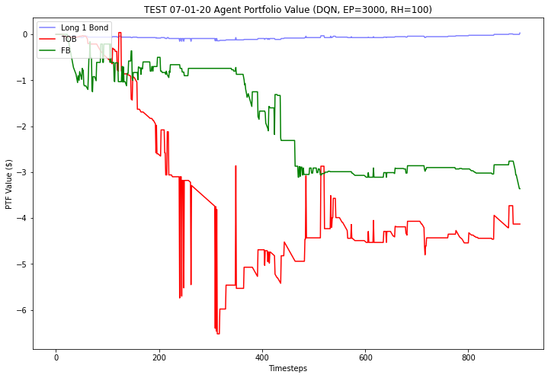
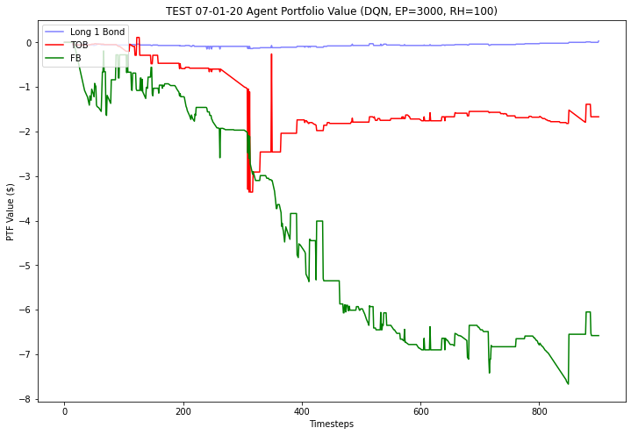
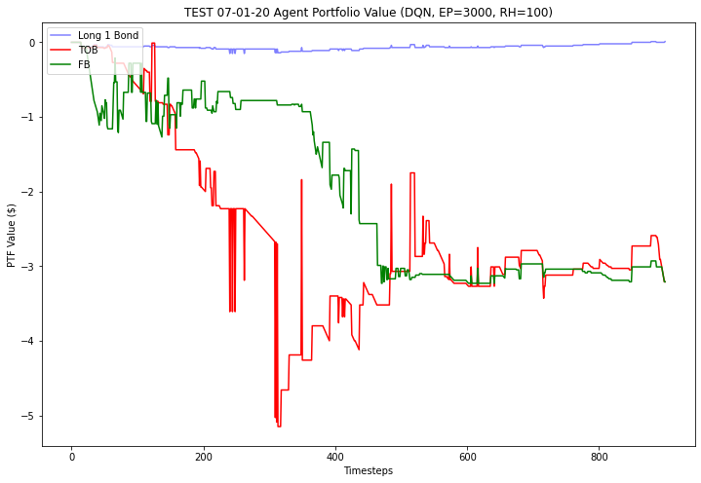
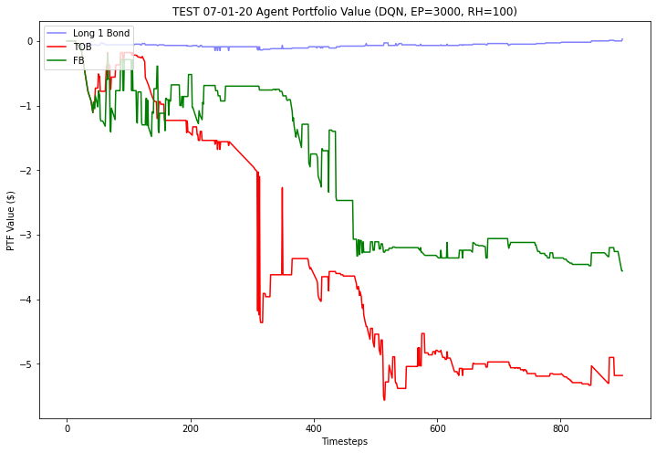
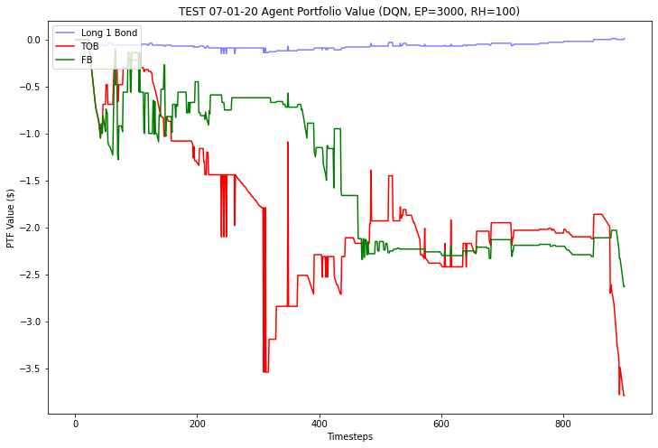
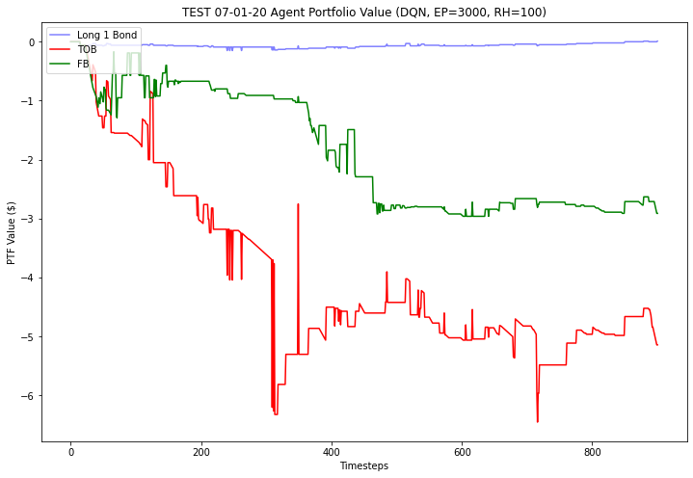
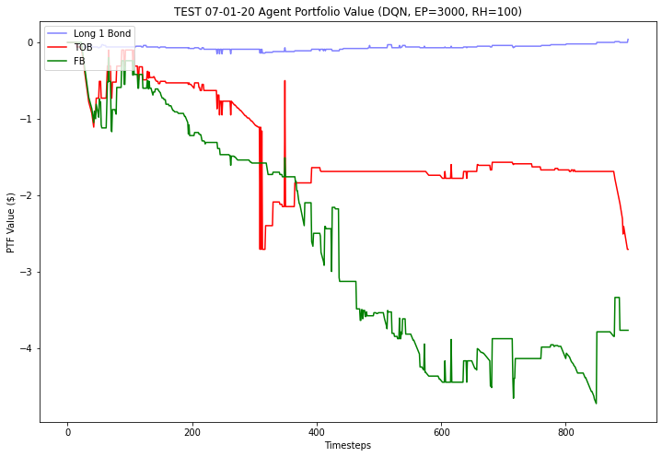
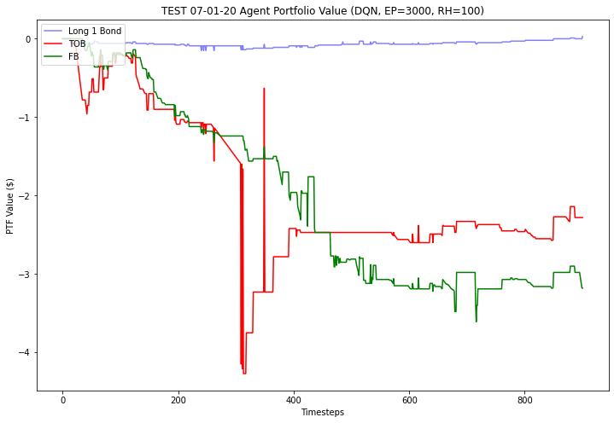
RESULTADOS
18dic TOB
18dic FB
19dic TOB
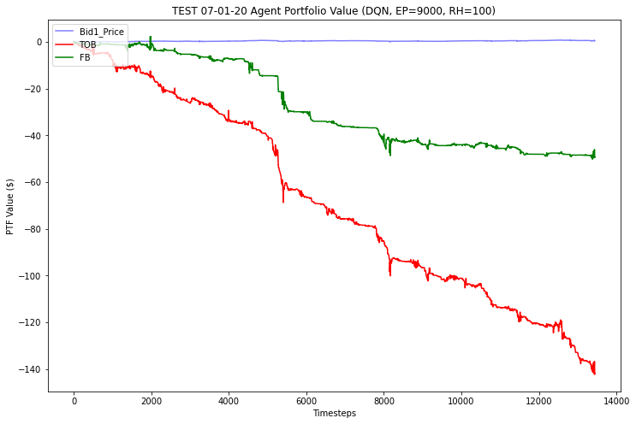
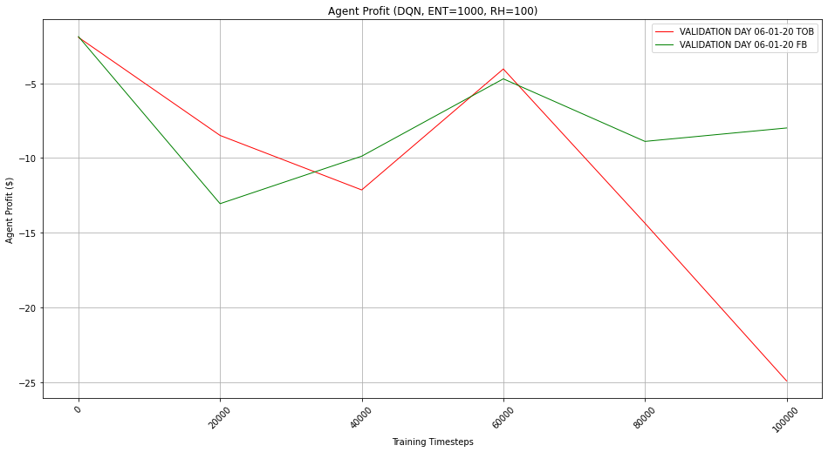
19dic FB
20dic TOB
20dic FB
6ene TOB
6ene FB
7ene TOB | -4.13 | -1.67 | -3.21 | -5.18 | -3.79 | -5.14 | -2.71 | -2.28 | -28.11 | -3.51375
7ene FB | -3.36 | -6.58 | -3.21 | -3.56 | -2.63 | -2.91 | -3.77 | -3.18 | -29.2 | -3.65

 |  |  |  |  |  |  |  |  |  |  | Cash final TOB: $ -141.96000000003232
 |  |  |  |  |  |  |  |  |  |  | Cash final FB: $ -49.27000000000373
 |  |  |  |  |  |  |  |  |  |  |  |  |  | RESULTADOS EN TEST CON 200k TS
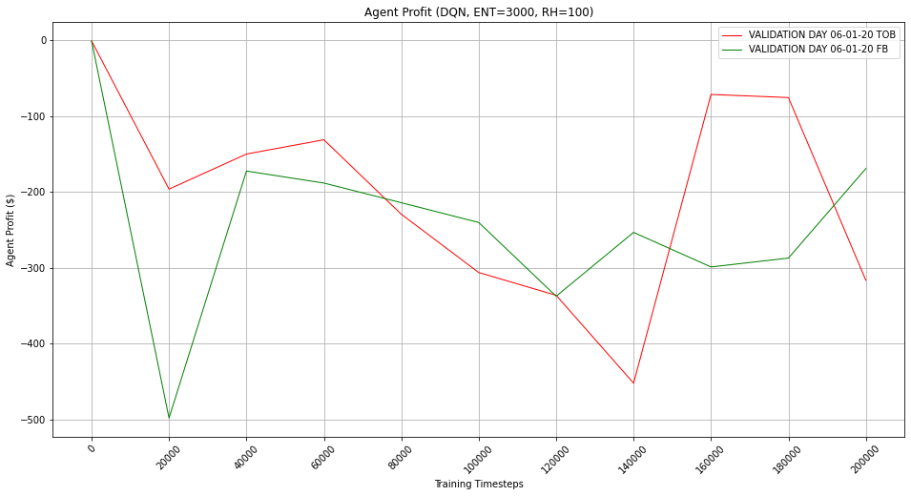
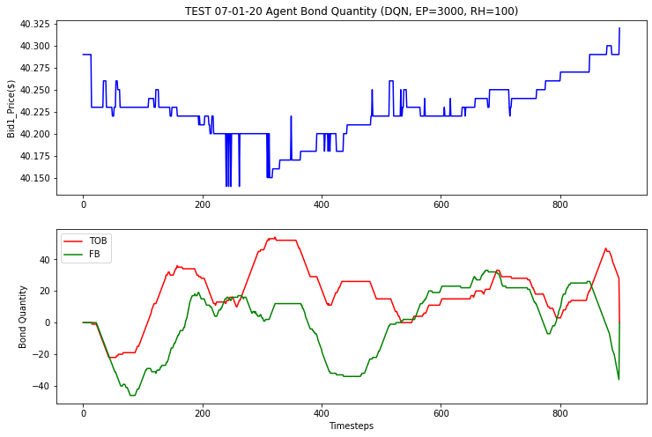

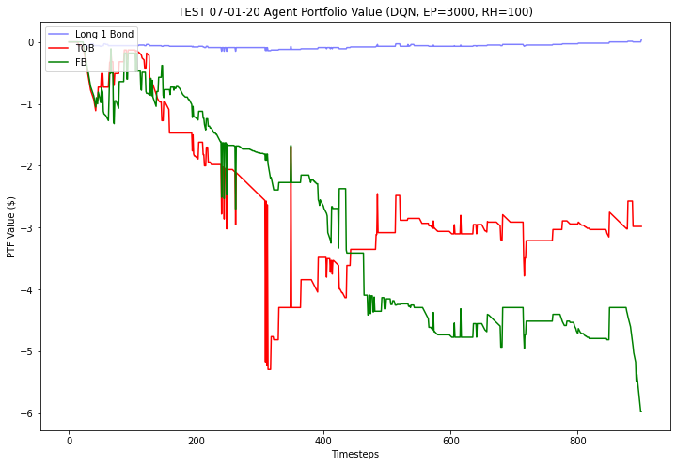

 |  |  |  |  |  |  |  |  |  |  |  | PROBAR DE NUEVO CON HF

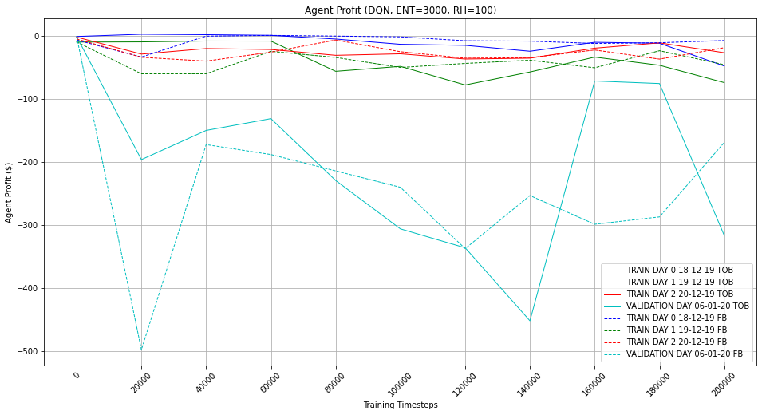

 |  |  |  |  |  |  |  |  |  |  |  |  |  | SOBRE 60k

Cosas a probar
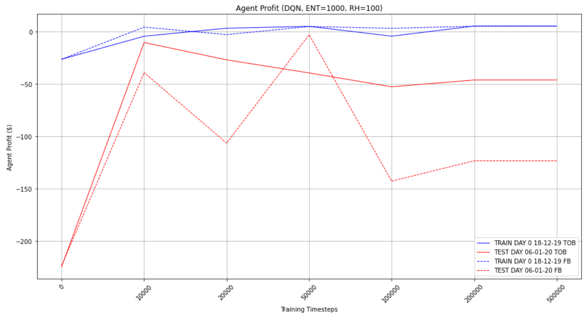
1) ESTABLECER UN SISTEMA CONFIABLE DE MEDICION DEL RENDIMIENTO | GRAFICOS PARAMETRIZADOS
 | RH
Confirmar el overfitting en todos los dias de training (no solo 18) | MACD MULTIPLIER
Quitar la normalizacion manual de las features para ver si cambia el resultado | QUANTIZE
Variar las seeds para comparar | SPREAD
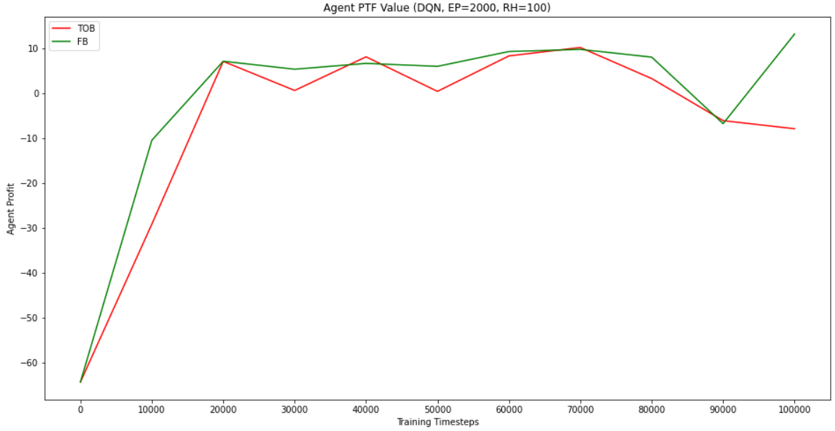
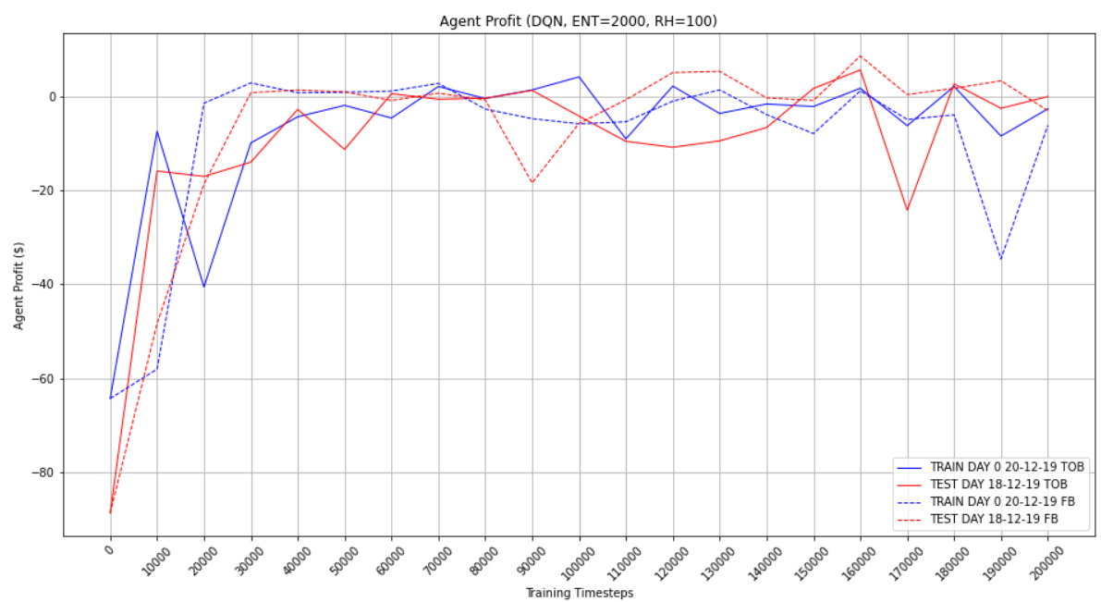
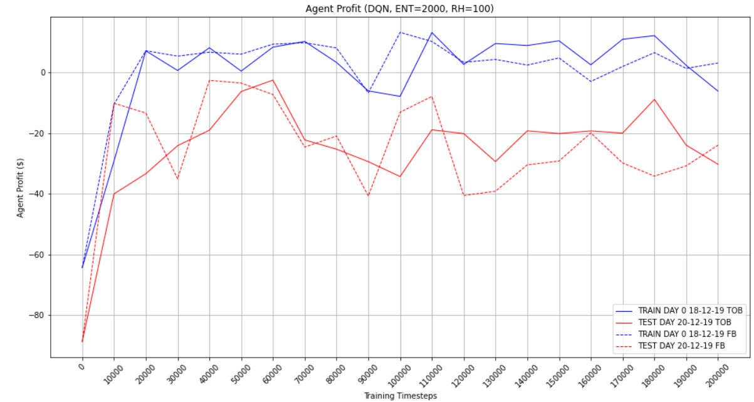
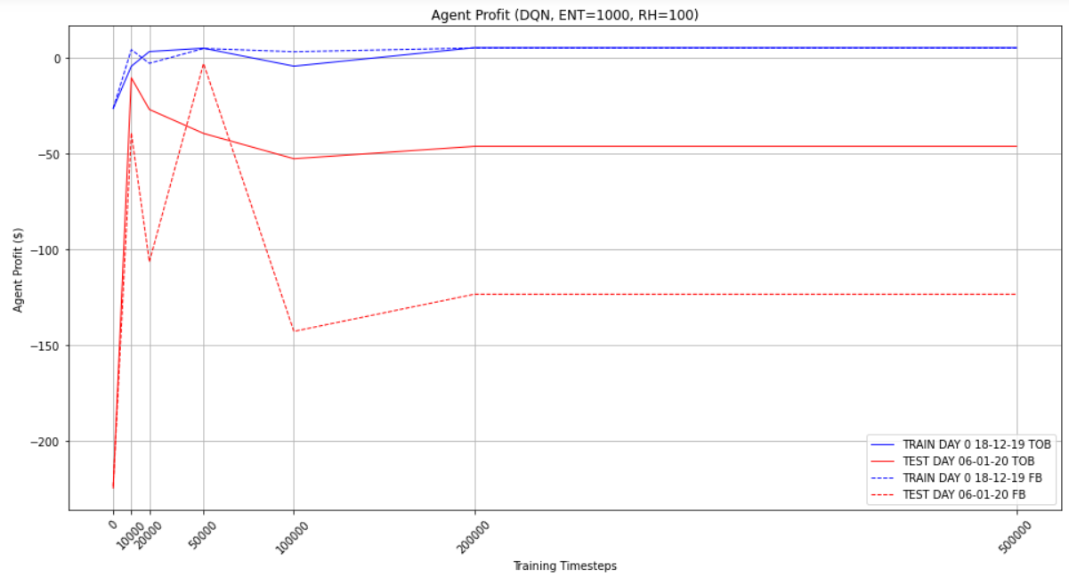
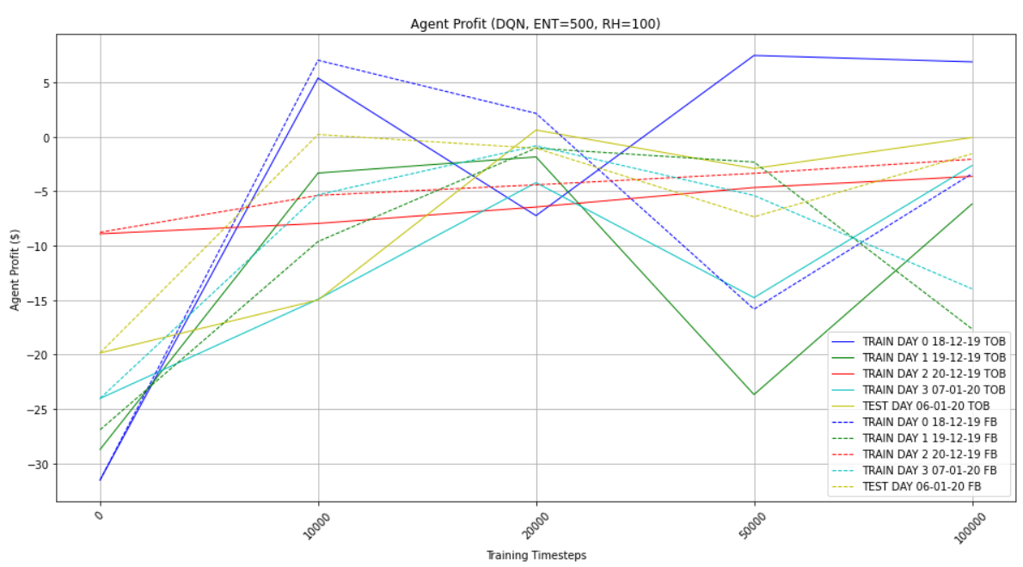
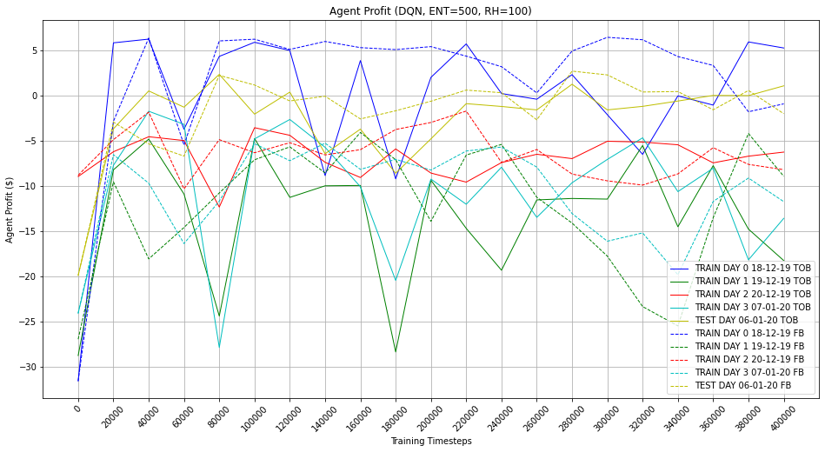
Sacarle los indicadores completamente?
probar con las otras seeds

Agregar de nuevo la penalizacion por bonos
grafico RH vs profit

3.1 agregar ecuaciones
5 agregar esquemas
6.2 agregar esquemas de los algos
7 estructuracion de experimentos

